Sheet1
 | known mol | similarity | smiles | distance | count | frequency | Class | qed | logP | SAS | result | rings | weight | csp3 | hallkier | laputeASA | alicarbo | alihetero | alirings | amidebonds | arocarbo | arohetero | arorings | stereocenter | bridgehead | hba | hbd | rotatable | kinase inhibition likeliness
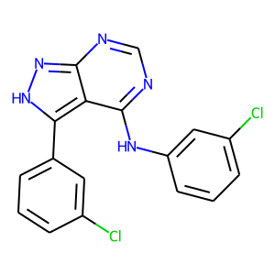 | Nc1ccc(-c2[nH]nc3ncnc(Nc4cccc(Cl)c4)c23)cc1 | [0.938034188034188] | Clc1cccc(Nc2ncnc3n[nH]c(-c4cccc(Cl)c4)c23)c1 | 6.0256878831 | 2 | 0.0080971659919 | 0 | 0.63266265392 | 4.3082327843 | 4.0653162003 | 0 | 4 | 355.03915071 | 0 | -2.63 | 147.22020863 | 0 | 0 | 0 | 0 | 2 | 2 | 4 | 0 | 0 | 4 | 2 | 3 | 0.76640196078
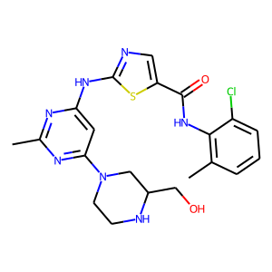 | Cc1nc(Nc2ncc(C(=O)Nc3c(C)cccc3Cl)s2)cc(N2CCN(CCO)CC2)n1 | [0.9351535836177475] | Cc1nc(Nc2ncc(C(=O)Nc3c(C)cccc3Cl)s2)cc(N2CCNC(CO)C2)n1 | 6.1652485747 | 1 | 0.0057803468208 | 6 | 0.5031876564 | 2.2375679016 | 3.4736933708 | 0 | 4 | 473.14007169 | 0.33333333333 | -2.79 | 194.42704681 | 0 | 1 | 1 | 1 | 1 | 2 | 3 | 1 | 0 | 9 | 4 | 6 | 0.79291083916
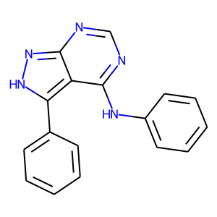 | Nc1ccc(-c2[nH]nc3ncnc(Nc4cccc(Cl)c4)c23)cc1 | [0.9336332958380202] | c1ccc(Nc2ncnc3n[nH]c(-c4ccccc4)c23)cc1 | 5.9588627259 | 11 | 0.09243697479 | 0 | 0.55071008205 | 2.7749528885 | 3.5164647102 | 0 | 4 | 287.11709542 | 0 | -3.21 | 126.61367618 | 0 | 0 | 0 | 0 | 2 | 2 | 4 | 0 | 0 | 4 | 2 | 3 | 0.82121428571
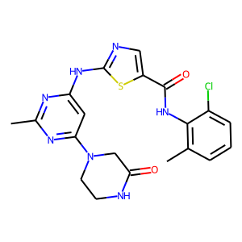 | Cc1nc(Nc2ncc(C(=O)Nc3c(C)cccc3Cl)s2)cc(N2CCN(CCO)CC2)n1 | [0.9266837169650469] | Cc1nc(Nc2ncc(C(=O)Nc3c(C)cccc3Cl)s2)cc(N2CCNC(=O)C2)n1 | 6.9513377555 | 13 | 0.075144508671 | 6 | 0.63266265392 | 4.3082327843 | 4.0653162003 | 0 | 4 | 457.10877156 | 0.25 | -3.24 | 187.42939304 | 0 | 1 | 1 | 2 | 1 | 2 | 3 | 0 | 0 | 8 | 3 | 5 | 0.76266666667
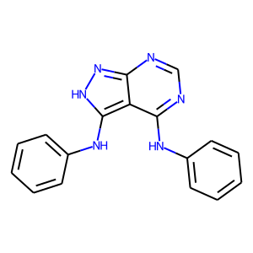 | Clc1cccc(Nc2ncnc3n[nH]c(Nc4cccc(Cl)c4)c23)c1 | [0.9171511627906976] | c1ccc(Nc2ncnc3n[nH]c(Nc4ccccc4)c23)cc1 | 5.2218895606 | 9 | 0.075630252101 | 0 | 0.5031876564 | 2.2375679016 | 3.4736933708 | 0 | 4 | 302.12799445 | 0 | -3.41 | 132.16353836 | 0 | 0 | 0 | 0 | 2 | 2 | 4 | 0 | 0 | 5 | 3 | 4 | 0.81380952381
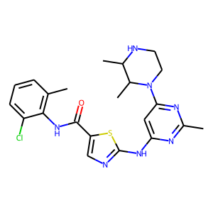 | Cc1nc(Nc2ncc(C(=O)Nc3c(C)cccc3Cl)s2)cc(N2CCN(CCO)CC2)n1 | [0.9155518394648829] | Cc1nc(Nc2ncc(C(=O)Nc3c(C)cccc3Cl)s2)cc(N2CCNC(C)C2C)n1 | 7.0478133532 | 1 | 0.0057803468208 | 6 | 0.66900265217 | 4.6543469429 | 4.8202729225 | 0 | 4 | 471.16080713 | 0.36363636364 | -2.75 | 195.99775517 | 0 | 1 | 1 | 1 | 1 | 2 | 3 | 2 | 0 | 8 | 3 | 5 | 0.76020939866
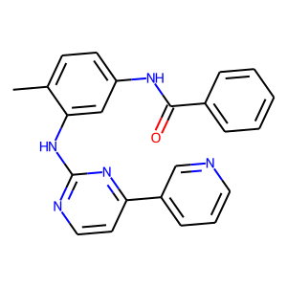 | Cc1ccc(NC(=O)c2ccc(CN3CCN(C)CC3)cc2)cc1Nc1nccc(-c2cccnc2)n1 | [0.8990825688073395] | Cc1ccc(NC(=O)c2ccccc2)cc1Nc1nccc(-c2cccnc2)n1 | 5.0820179931 | 380 | 0.91787439614 | 0 | 0.5031876564 | 2.2375679016 | 3.4736933708 | 0 | 4 | 381.15896023 | 0.04347826087 | -4.06 | 168.25276038 | 0 | 0 | 0 | 1 | 2 | 2 | 4 | 0 | 0 | 5 | 2 | 5 | 0.81028571429
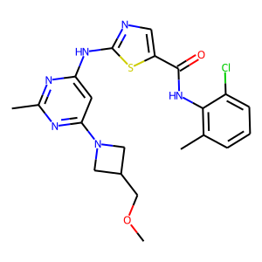 | Cc1nc(Nc2ncc(C(=O)Nc3c(C)cccc3Cl)s2)cc(N2CCN(CCO)CC2)n1 | [0.8959044368600683] | Cc1nc(Nc2ncc(C(=O)Nc3c(C)cccc3Cl)s2)cc(N2CC(COC)C2)n1 | 21.228646308 | 3 | 0.12 | 6 | 0.72947639227 | 3.6152975559 | 0.83214080334 | 0 | 4 | 458.12917266 | 0.33333333333 | -2.75 | 189.1964961 | 0 | 1 | 1 | 1 | 1 | 2 | 3 | 0 | 0 | 8 | 2 | 7 | 0.76794047619
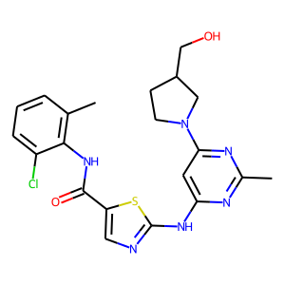 | Cc1nc(Nc2ncc(C(=O)Nc3c(C)cccc3Cl)s2)cc(N2CCN(CCO)CC2)n1 | [0.887489504617968] | Cc1nc(Nc2ncc(C(=O)Nc3c(C)cccc3Cl)s2)cc(N2CCC(CO)C2)n1 | 6.0392806624 | 1 | 0.04 | 6 | 0.5031876564 | 2.2375679016 | 3.4736933708 | 0 | 4 | 458.12917266 | 0.33333333333 | -2.75 | 188.87718462 | 0 | 1 | 1 | 1 | 1 | 2 | 3 | 1 | 0 | 8 | 3 | 6 | 0.80607750583
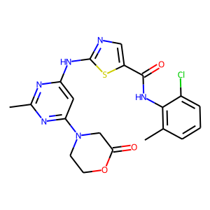 | Cc1nc(Nc2ncc(C(=O)Nc3c(C)cccc3Cl)s2)cc(N2CCN(CCO)CC2)n1 | [0.8816666666666667] | Cc1nc(Nc2ncc(C(=O)Nc3c(C)cccc3Cl)s2)cc(N2CCOC(=O)C2)n1 | 7.0104451373 | 1 | 0.0054644808743 | 2 | 0.67899775505 | 3.3667879105 | 3.9857969284 | 0 | 4 | 458.09278715 | 0.25 | -3.24 | 186.99307609 | 0 | 1 | 1 | 1 | 1 | 2 | 3 | 0 | 0 | 9 | 2 | 5 | 0.76630735931
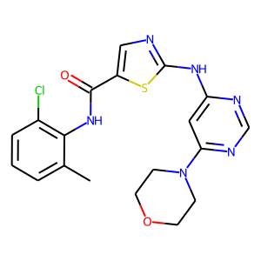 | Cc1nc(Nc2ncc(C(=O)Nc3c(C)cccc3Cl)s2)cc(N2CCN(CCO)CC2)n1 | [0.8801399825021873] | Cc1cccc(Cl)c1NC(=O)c1cnc(Nc2cc(N3CCOCC3)ncn2)s1 | 5.0046034858 | 14 | 0.11290322581 | 6 | 0.5031876564 | 2.2375679016 | 3.4736933708 | 0 | 4 | 430.09787253 | 0.26315789474 | -2.75 | 176.46661187 | 0 | 1 | 1 | 1 | 1 | 2 | 3 | 0 | 0 | 8 | 2 | 5 | 0.78834090909
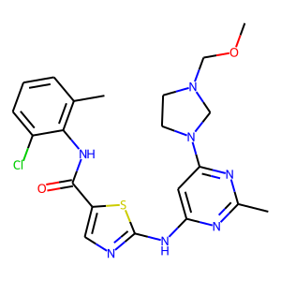 | Cc1nc(Nc2ncc(C(=O)Nc3c(C)cccc3Cl)s2)cc(N2CCN(CCF)CC2)n1 | [0.8744939271255061] | Cc1nc(Nc2ncc(C(=O)Nc3c(C)cccc3Cl)s2)cc(N2CCN(COC)C2)n1 | 19.148787153 | 1 | 0.0054644808743 | 2 | 0.60440135002 | 2.9526979923 | 2.7356381416 | 0 | 4 | 473.14007169 | 0.33333333333 | -2.79 | 194.95632977 | 0 | 1 | 1 | 1 | 1 | 2 | 3 | 0 | 0 | 9 | 2 | 7 | 0.84837720877
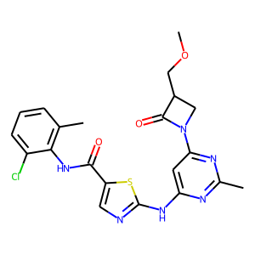 | Cc1nc(Nc2ncc(C(=O)Nc3c(C)cccc3Cl)s2)cc(N2CCN(CCO)CC2)n1 | [0.8353127474267616] | Cc1nc(Nc2ncc(C(=O)Nc3c(C)cccc3Cl)s2)cc(N2CC(COC)C2=O)n1 | 21.036064343 | 1 | 0.04 | 6 | 0.64852362871 | 2.7534160614 | 3.5939645767 | 0 | 4 | 472.10843721 | 0.28571428571 | -3.08 | 193.3580182 | 0 | 1 | 1 | 2 | 1 | 2 | 3 | 1 | 0 | 8 | 2 | 7 | 0.77688187738
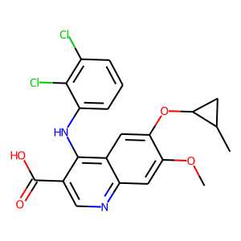 | COc1cc2ncc(C=O)c(Nc3ccc(Cl)cc3Cl)c2cc1OC | [0.8278457196613358] | COc1cc2ncc(C(=O)O)c(Nc3cccc(Cl)c3Cl)c2cc1OC1C(C)C1 | 8.0925089584 | 5 | 0.13888888889 | 2 | 0.58819699287 | 3.1792531013 | 3.2639408112 | 0 | 4 | 432.06436242 | 0.2380952381 | -2.7 | 176.91287232 | 1 | 0 | 1 | 0 | 2 | 1 | 3 | 2 | 0 | 5 | 2 | 6 | 0.76026190476
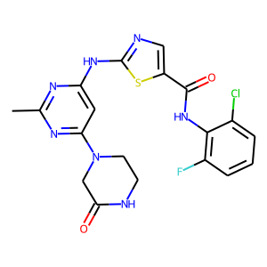 | Cc1nc(Nc2ncc(C(=O)Nc3c(C)cccc3Cl)s2)cc(N2CCN(CCF)CC2)n1 | [0.8161290322580645] | Cc1nc(Nc2ncc(C(=O)Nc3c(F)cccc3Cl)s2)cc(N2CCNC(=O)C2)n1 | 7.249885488 | 1 | 0.0057803468208 | 6 | 0.63155186176 | 3.7669064999 | 3.6493296623 | 0 | 4 | 461.08369968 | 0.21052631579 | -3.31 | 185.22998633 | 0 | 1 | 1 | 2 | 1 | 2 | 3 | 0 | 0 | 8 | 3 | 5 | 0.779375
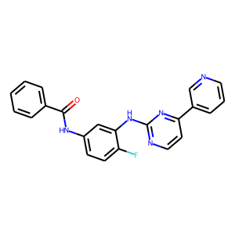 | CN1CCN(Cc2ccc(C(=O)Nc3cccc(Nc4nccc(-c5cccnc5)n4)c3)cc2)CC1 | [0.8042986425339367] | Fc1ccc(NC(=O)c2ccccc2)cc1Nc1nccc(-c2cccnc2)n1 | 18.101988788 | 3 | 0.0072463768116 | 0 | 0.63266265392 | 4.3082327843 | 4.0653162003 | 0 | 4 | 385.13388835 | 0 | -4.13 | 166.05335367 | 0 | 0 | 0 | 1 | 2 | 2 | 4 | 0 | 0 | 5 | 2 | 5 | 0.78916934046
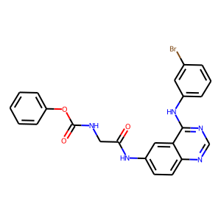 | CCC(=O)Nc1ccc2ncnc(Nc3cccc(Br)c3)c2c1 | [0.803921568627451] | O=C(CNC(=O)Oc1ccccc1)Nc1ccc2ncnc(Nc3cccc(Br)c3)c2c1 | 5.4172814215 | 30 | 0.13157894737 | 3 | 0.5031876564 | 2.2375679016 | 3.4736933708 | 0 | 4 | 491.05930154 | 0.04347826087 | -3.98 | 191.71510195 | 0 | 0 | 0 | 2 | 3 | 1 | 4 | 0 | 0 | 6 | 3 | 6 | 0.81611538462
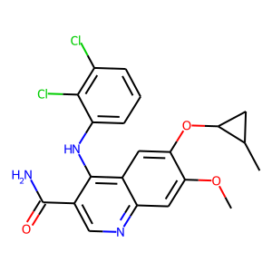 | COc1cc2ncc(C=O)c(Nc3ccc(Cl)cc3Cl)c2cc1OC | [0.7956403269754768] | COc1cc2ncc(C(N)=O)c(Nc3cccc(Cl)c3Cl)c2cc1OC1C(C)C1 | 7.8346697566 | 1 | 0.027777777778 | 2 | 0.56028455496 | 2.9335277081 | 3.7526655197 | 0 | 4 | 431.08034683 | 0.2380952381 | -2.7 | 177.45852926 | 1 | 0 | 1 | 1 | 2 | 1 | 3 | 2 | 0 | 5 | 2 | 6 | 0.75045676692
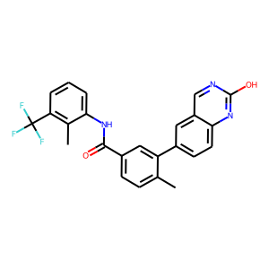 | Cc1ccc(C(=O)Nc2cccc(C(F)(F)F)c2)cc1-c1ccc2nc(NCCN3CCOCC3)ncc2c1 | [0.7543689320388349] | Cc1ccc(C(=O)Nc2cccc(C(F)(F)F)c2C)cc1-c1ccc2nc(O)ncc2c1 | 5.6612198042 | 3 | 0.053571428571 | 6 | 0.5031876564 | 2.2375679016 | 3.4736933708 | 0 | 4 | 437.13511148 | 0.125 | -3.94 | 181.12854473 | 0 | 0 | 0 | 1 | 3 | 1 | 4 | 0 | 0 | 4 | 2 | 3 | 0.75926190476
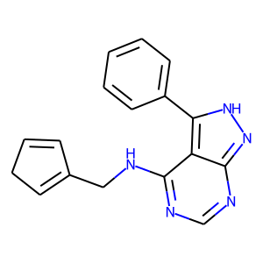 | Nc1ncnc2n[nH]c(-c3ccc(Cl)cc3)c12 | [0.7342192691029901] | C1cc(CNc2ncnc3n[nH]c(-c4ccccc4)c23)cc1 | 11.997491146 | 1 | 0.0084033613445 | 0 | 0.56028455496 | 2.9335277081 | 3.7526655197 | 0 | 4 | 289.13274548 | 0.11764705882 | -2.95 | 127.36119744 | 1 | 0 | 1 | 0 | 1 | 2 | 3 | 0 | 0 | 4 | 2 | 4 | 0.8425
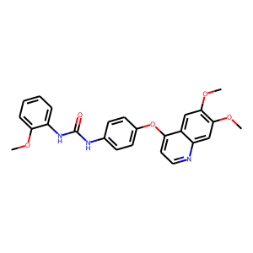 | COc1cc(Oc2ccnc3cc(OC)c(OC)cc23)ccc1NC(=O)N[C@@H](C)c1nccs1 | [0.7241379310344828] | COc1ccccc1NC(=O)Nc1ccc(Oc2ccnc3cc(OC)c(OC)cc32)cc1 | 5.1913451947 | 8 | 0.096385542169 | 5 | 0.5031876564 | 2.2375679016 | 3.4736933708 | 0 | 4 | 445.16377084 | 0.12 | -4.46 | 190.62209989 | 0 | 0 | 0 | 2 | 3 | 1 | 4 | 0 | 0 | 6 | 2 | 7 | 0.79591666667
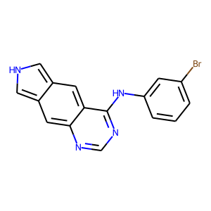 | CCC(=O)Nc1ccc2ncnc(Nc3cccc(Br)c3)c2c1 | [0.7108585858585859] | Brc1cccc(Nc2ncnc3cc4c[nH]cc4cc23)c1 | 6.3994381836 | 2 | 0.036363636364 | 3 | 0.54619395733 | 2.8459334373 | 5.1711344719 | 0 | 4 | 338.01670845 | 0 | -2.4 | 128.91769256 | 0 | 0 | 0 | 0 | 2 | 2 | 4 | 0 | 0 | 3 | 2 | 2 | 0.79566666667
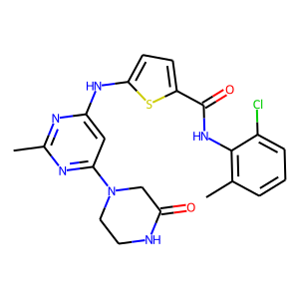 | Cc1nc(Nc2ncc(C(=O)Nc3c(C)cccc3Cl)s2)cc(N2CCN(CCO)CC2)n1 | [0.708745247148289] | Cc1nc(Nc2ccc(C(=O)Nc3c(C)cccc3Cl)s2)cc(N2CCNC(=O)C2)n1 | 7.4294348359 | 4 | 0.023121387283 | 6 | 0.59194886684 | 3.050396204 | 3.4142303467 | 0 | 4 | 456.11352259 | 0.2380952381 | -3.17 | 188.20974506 | 0 | 1 | 1 | 2 | 1 | 2 | 3 | 0 | 0 | 7 | 3 | 5 | 0.8395195802
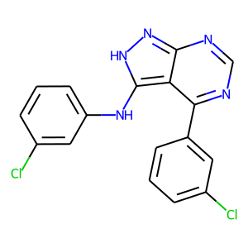 | Nc1ccc(-c2[nH]nc3ncnc(Nc4cccc(Cl)c4)c23)cc1 | [0.7001897533206831] | Clc1cccc(-c2ncnc3n[nH]c(Nc4cccc(Cl)c4)c23)c1 | 10.987839365 | 8 | 0.032388663968 | 0 | 0.61562722921 | 3.4471151829 | 3.3371925354 | 0 | 4 | 355.03915071 | 0 | -2.63 | 147.22020863 | 0 | 0 | 0 | 0 | 2 | 2 | 4 | 0 | 0 | 4 | 2 | 3 | 0.78674509804
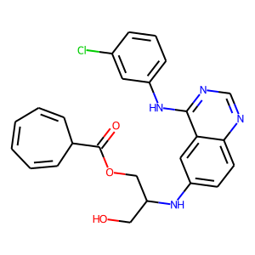 | CCC(=O)Nc1ccc2ncnc(Nc3cccc(Br)c3)c2c1 | [0.6745182012847966] | OCC(COC(=O)C1cccccc1)Nc1ccc2ncnc(Nc3cccc(Cl)c3)c2c1 | 19.075081645 | 1 | 0.0043859649123 | 3 | 0.71208435297 | 3.8325061798 | 1.3320373297 | 0 | 4 | 462.14586828 | 0.16 | -3.68 | 196.0214725 | 1 | 0 | 1 | 0 | 2 | 1 | 3 | 1 | 0 | 7 | 3 | 8 | 0.76460444778
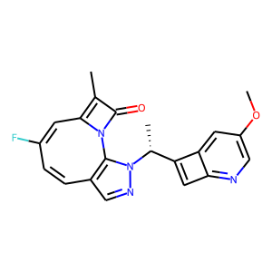 | CO[C@@H]1[C@H](N(C)C(=O)c2ccccc2)C[C@H]2O[C@]1(C)n1c3ccccc3c3c4c(c5c6ccccc6n2c5c31)C(=O)N[C@H]4O | [0.6688911704312115] | COc1cnc2cc([C@@H](C)n3ncc4c3N(-c3cc(F)cc4)C(=O)c3C)c2c1 | 18.885271636 | 1 | 0.16666666667 | 9 | 0.66900265217 | 4.6543469429 | 4.8202729225 | 0 | 5 | 376.133554 | 0.19047619048 | -3.48 | 159.39760308 | 1 | 2 | 3 | 0 | 0 | 2 | 2 | 1 | 0 | 6 | 0 | 3 | 0.75358861237
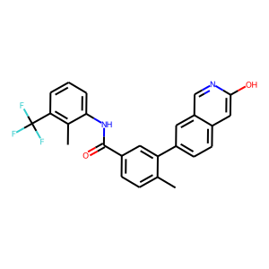 | Cc1ccc(C(=O)Nc2cccc(C(F)(F)F)c2)cc1-c1ccc2nc(NCCN3CCOCC3)ncc2c1 | [0.6588566073102156] | Cc1ccc(C(=O)Nc2cccc(C(F)(F)F)c2C)cc1-c1ccc2cc(O)ncc2c1 | 6.6146675562 | 3 | 0.053571428571 | 6 | 0.78389030695 | 4.144487381 | 2.713098526 | 0 | 4 | 436.13986251 | 0.12 | -3.87 | 181.90889675 | 0 | 0 | 0 | 1 | 3 | 1 | 4 | 0 | 0 | 3 | 2 | 3 | 0.77687969925
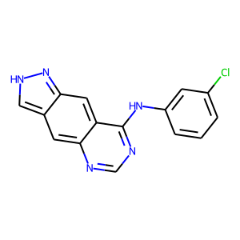 | COc1cc2ncnc(Nc3cccc(Cl)c3)c2cc1OC | [0.6519721577726219] | Clc1cccc(Nc2ncnc3cc4c[nH]nc4cc23)c1 | 5.240540068 | 15 | 0.27272727273 | 3 | 0.55071008205 | 2.7749528885 | 3.5164647102 | 0 | 4 | 295.062473 | 0 | -2.66 | 124.54151273 | 0 | 0 | 0 | 0 | 2 | 2 | 4 | 0 | 0 | 4 | 2 | 2 | 0.80271428571
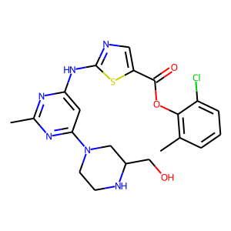 | Cc1nc(Nc2ncc(C(=O)Nc3c(C)cccc3Cl)s2)cc(N2CCN(CCO)CC2)n1 | [0.6444121915820029] | Cc1nc(Nc2ncc(C(=O)Oc3c(C)cccc3Cl)s2)cc(N2CCNC(CO)C2)n1 | 6.3981841147 | 4 | 0.023121387283 | 6 | 0.55071008205 | 2.7749528885 | 3.5164647102 | 0 | 4 | 474.12408728 | 0.33333333333 | -2.79 | 193.99072985 | 0 | 1 | 1 | 0 | 1 | 2 | 3 | 1 | 0 | 10 | 3 | 6 | 0.76206642512
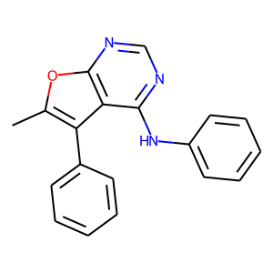 | Nc1ncnc2occ(-c3ccc(NC(=O)Nc4cc(C(F)(F)F)ccc4F)cc3)c12 | [0.6410871302957634] | c1ccc(Nc2ncnc3oc(C)c(-c4ccccc4)c23)cc1 | 15.621282871 | 2 | 0.016806722689 | 0 | 0.61562722921 | 3.4471151829 | 3.3371925354 | 0 | 4 | 301.1215121 | 0.052631578947 | -3.14 | 133.37568559 | 0 | 0 | 0 | 0 | 2 | 2 | 4 | 0 | 0 | 4 | 1 | 3 | 0.84653571429
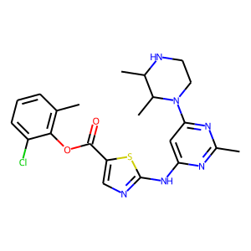 | Cc1nc(Nc2ncc(C(=O)Nc3c(C)cccc3Cl)s2)cc(N2CCN(CCO)CC2)n1 | [0.639367816091954] | Cc1nc(Nc2ncc(C(=O)Oc3c(C)cccc3Cl)s2)cc(N2CCNC(C)C2C)n1 | 7.3333026684 | 4 | 0.023121387283 | 6 | 0.56028455496 | 2.9335277081 | 3.7526655197 | 0 | 4 | 472.14482272 | 0.36363636364 | -2.75 | 195.56143821 | 0 | 1 | 1 | 0 | 1 | 2 | 3 | 2 | 0 | 9 | 2 | 5 | 0.77761336472
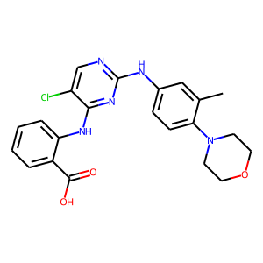 | Cc1ccc(CO)cc1N(C)c1ccnc(Nc2cc(N3CCOCC3)cc(N3CCOCC3)c2)n1 | [0.6368015414258189] | OC(=O)c1ccccc1Nc1nc(Nc2ccc(N3CCOCC3)c(C)c2)ncc1Cl | 20.222979938 | 1 | 0.010101010101 | 7 | 0.70073121786 | 3.6788277626 | 0.42659860849 | 0 | 4 | 439.14111724 | 0.22727272727 | -3.36 | 184.40083437 | 0 | 1 | 1 | 0 | 2 | 1 | 3 | 0 | 0 | 7 | 3 | 6 | 0.79028205128
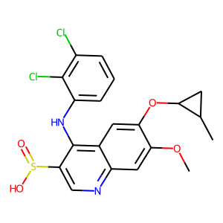 | CCCCOc1cc2ncc(C#N)c(Nc3ccc(Cl)cc3Cl)c2cc1OCCCC | [0.6365118174409128] | COc1cc2ncc(S(=O)O)c(Nc3cccc(Cl)c3Cl)c2cc1OC1C(C)C1 | 8.2829562858 | 1 | 0.027777777778 | 2 | 0.59194886684 | 3.050396204 | 3.4142303467 | 0 | 4 | 452.03643342 | 0.25 | -2.06 | 179.96966618 | 1 | 0 | 1 | 0 | 2 | 1 | 3 | 3 | 0 | 5 | 2 | 6 | 0.78343333333
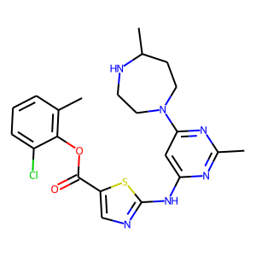 | Cc1nc(Nc2ncc(C(=O)Nc3c(C)cccc3Cl)s2)cc(N2CCN(CCO)CC2)n1 | [0.631768953068592] | Cc1nc(Nc2ncc(C(=O)Oc3c(C)cccc3Cl)s2)cc(N2CCNC(C)CC2)n1 | 7.7703440715 | 3 | 0.017341040462 | 6 | 0.72947639227 | 3.6152975559 | 0.83214080334 | 0 | 4 | 472.14482272 | 0.36363636364 | -2.75 | 195.56143821 | 0 | 1 | 1 | 0 | 1 | 2 | 3 | 1 | 0 | 9 | 2 | 5 | 0.78476551227
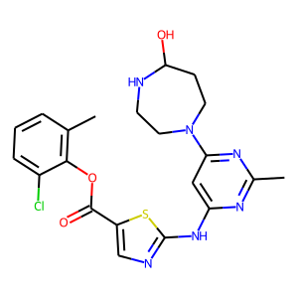 | Cc1nc(Nc2ncc(C(=O)Nc3c(C)cccc3Cl)s2)cc(N2CCN(CCO)CC2)n1 | [0.6290438533429188] | Cc1nc(Nc2ncc(C(=O)Oc3c(C)cccc3Cl)s2)cc(N2CCNC(O)CC2)n1 | 7.5254831495 | 1 | 0.0057803468208 | 6 | 0.61562722921 | 3.4471151829 | 3.3371925354 | 0 | 4 | 474.12408728 | 0.33333333333 | -2.79 | 193.99072985 | 0 | 1 | 1 | 0 | 1 | 2 | 3 | 1 | 0 | 10 | 3 | 5 | 0.78225103668
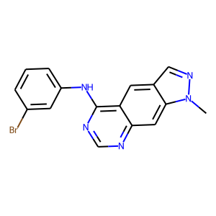 | CCC(=O)Nc1ccc2ncnc(Nc3cccc(Br)c3)c2c1 | [0.6254107338444688] | Cn1ncc2cc3c(Nc4cccc(Br)c4)ncnc3cc21 | 6.1071171716 | 1 | 0.014084507042 | 3 | 0.66900265217 | 4.6543469429 | 4.8202729225 | 0 | 4 | 353.02760748 | 0.0625 | -2.47 | 134.68070771 | 0 | 0 | 0 | 0 | 2 | 2 | 4 | 0 | 0 | 5 | 1 | 2 | 0.8144328656
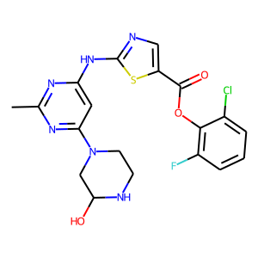 | Cc1nc(Nc2ncc(C(=O)Nc3c(C)cccc3Cl)s2)cc(N2CCN(CCO)CC2)n1 | [0.624551328068916] | Cc1nc(Nc2ncc(C(=O)Oc3c(F)cccc3Cl)s2)cc(N2CCNC(O)C2)n1 | 7.5606568633 | 1 | 0.0054644808743 | 2 | 0.67313468456 | 3.7319786549 | -1.0791330338 | 0 | 4 | 464.08336534 | 0.26315789474 | -2.86 | 185.42638103 | 0 | 1 | 1 | 0 | 1 | 2 | 3 | 1 | 0 | 10 | 3 | 5 | 0.81843333333
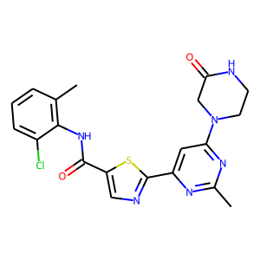 | Cc1nc(Nc2ncc(C(=O)Nc3c(C)cccc3Cl)s2)cc(N2CCN(CCO)CC2)n1 | [0.624390243902439] | Cc1nc(-c2ncc(C(=O)Nc3c(C)cccc3Cl)s2)cc(N2CCNC(=O)C2)n1 | 7.6519376514 | 1 | 0.0054644808743 | 2 | 0.72397702932 | 3.4881939888 | -0.32737600803 | 0 | 4 | 442.09787253 | 0.25 | -3.04 | 181.87953086 | 0 | 1 | 1 | 2 | 1 | 2 | 3 | 0 | 0 | 7 | 2 | 4 | 0.81816666667
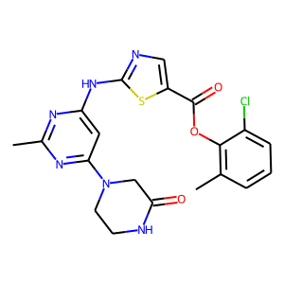 | Cc1nc(Nc2ncc(C(=O)Nc3c(C)cccc3Cl)s2)cc(N2CCN(CCO)CC2)n1 | [0.623826714801444] | Cc1nc(Nc2ncc(C(=O)Oc3c(C)cccc3Cl)s2)cc(N2CCNC(=O)c2)n1 | 7.1937424249 | 1 | 0.0057803468208 | 6 | 0.78389030695 | 4.144487381 | 2.713098526 | 0 | 4 | 458.09278715 | 0.25 | -3.24 | 186.99307609 | 0 | 1 | 1 | 1 | 1 | 2 | 3 | 0 | 0 | 9 | 2 | 5 | 0.81016532318
 | Cc1nc(Nc2ncc(C(=O)Nc3c(C)cccc3Cl)s2)cc(N2CCN(CCO)CC2)n1 | [0.623826714801444] | Cc1nc(Nc2ncc(C(=O)Oc3c(C)cccc3Cl)s2)cc(N2CCNC(=O)C2)n1 | 7.1937424249 | 78 | 0.45086705202 | 6 | 0.67899775505 | 3.3667879105 | 3.9857969284 | 0 | 4 | 458.09278715 | 0.25 | -3.24 | 186.99307609 | 0 | 1 | 1 | 1 | 1 | 2 | 3 | 0 | 0 | 9 | 2 | 5 | 0.76630735931
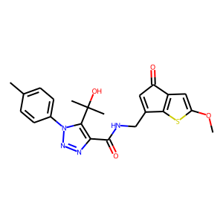 | CO[C@@H]1[C@H](N(C)C(=O)c2ccccc2)C[C@H]2O[C@]1(C)n1c3ccccc3c3c4c(c5c6ccccc6n2c5c31)C(=O)N[C@H]4O | [0.62148070907195] | COc1cc2c(=O)cc(CNC(=O)c3nnn(-c4ccc(C)cc4)c3C(C)(C)O)c2s1 | 13.496995106 | 1 | 0.071428571429 | 9 | 0.61217081547 | 3.8757975101 | 4.5822234154 | 0 | 4 | 438.13617618 | 0.27272727273 | -3.3 | 182.71596213 | 1 | 0 | 1 | 1 | 1 | 2 | 3 | 0 | 0 | 8 | 2 | 6 | 0.75238095238
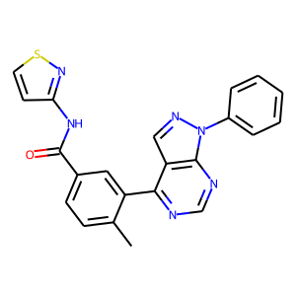 | Nc1ncnc2c1c(-c1ccccc1)nn2-c1ccccc1 | [0.6202898550724638] | Cc1ccc(C(=O)Nc2ccsn2)cc1-c1ncnc2c1cnn2-c1ccccc1 | 6.8843049218 | 1 | 0.022222222222 | 8 | 0.78389030695 | 4.144487381 | 2.713098526 | 0 | 5 | 412.11063013 | 0.045454545455 | -3.91 | 175.77324944 | 0 | 0 | 0 | 1 | 2 | 3 | 5 | 0 | 0 | 7 | 1 | 4 | 0.75245238095
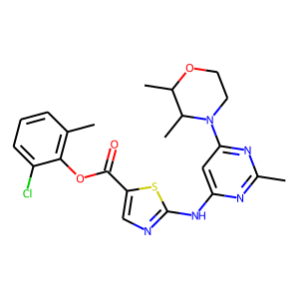 | Cc1nc(Nc2ncc(C(=O)Nc3c(C)cccc3Cl)s2)cc(N2CCN(CCO)CC2)n1 | [0.6149545772187281] | Cc1nc(Nc2ncc(C(=O)Oc3c(C)cccc3Cl)s2)cc(N2CCOC(C)C2C)n1 | 7.9908592795 | 1 | 0.0057803468208 | 6 | 0.70068484545 | 3.4873580933 | 0.062602072954 | 0 | 4 | 473.12883831 | 0.36363636364 | -2.75 | 195.12512126 | 0 | 1 | 1 | 0 | 1 | 2 | 3 | 2 | 0 | 9 | 1 | 5 | 0.80685678211
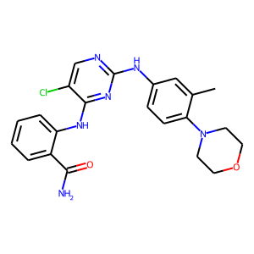 | Cc1ccc(CO)cc1N(C)c1ccnc(Nc2cc(N3CCOCC3)cc(N3CCOCC3)c2)n1 | [0.6122641509433963] | NC(=O)c1ccccc1Nc1nc(Nc2ccc(N3CCOCC3)c(C)c2)ncc1Cl | 20.438613346 | 1 | 0.010101010101 | 7 | 0.72469782829 | 3.8824822903 | 1.5831108093 | 0 | 4 | 438.15710166 | 0.22727272727 | -3.36 | 184.94649132 | 0 | 1 | 1 | 1 | 2 | 1 | 3 | 0 | 0 | 7 | 3 | 6 | 0.80375
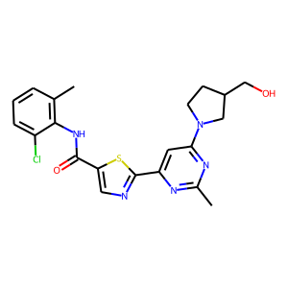 | Cc1nc(Nc2ncc(C(=O)Nc3c(C)cccc3Cl)s2)cc(N2CCN(CCO)CC2)n1 | [0.6108408617095205] | Cc1nc(-c2ncc(C(=O)Nc3c(C)cccc3Cl)s2)cc(N2CCC(CO)C2)n1 | 6.7214079831 | 1 | 0.04 | 6 | 0.63266265392 | 4.3082327843 | 4.0653162003 | 0 | 4 | 443.11827362 | 0.33333333333 | -2.55 | 183.32732244 | 0 | 1 | 1 | 1 | 1 | 2 | 3 | 1 | 0 | 7 | 2 | 5 | 0.75357900433
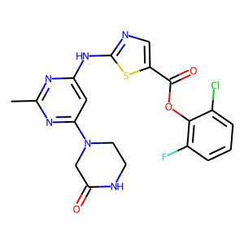 | Cc1nc(Nc2ncc(C(=O)Nc3c(C)cccc3Cl)s2)cc(N2CCN(CCO)CC2)n1 | [0.61067615658363] | Cc1nc(Nc2ncc(C(=O)Oc3c(F)cccc3Cl)s2)cc(N2CCNC(=O)C2)n1 | 7.5436807141 | 2 | 0.011560693642 | 6 | 0.74093610048 | 2.7658090591 | 1.0297927856 | 0 | 4 | 462.06771527 | 0.21052631579 | -3.31 | 184.79366937 | 0 | 1 | 1 | 1 | 1 | 2 | 3 | 0 | 0 | 9 | 2 | 5 | 0.84391309524
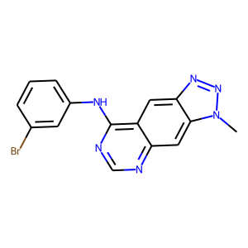 | CCC(=O)Nc1ccc2ncnc(Nc3cccc(Br)c3)c2c1 | [0.6082901554404145] | Cn1nnc2cc3c(Nc4cccc(Br)c4)ncnc3cc21 | 6.2120347101 | 1 | 0.014084507042 | 3 | 0.67899775505 | 3.3667879105 | 3.9857969284 | 0 | 4 | 354.02285645 | 0.066666666667 | -2.54 | 133.86880926 | 0 | 0 | 0 | 0 | 2 | 2 | 4 | 0 | 0 | 6 | 1 | 2 | 0.77402558716
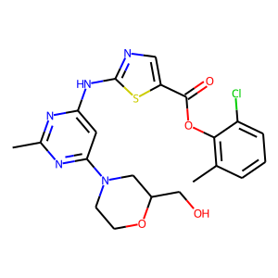 | Cc1nc(Nc2ncc(C(=O)Nc3c(C)cccc3Cl)s2)cc(N2CCN(CCO)CC2)n1 | [0.6082327892122072] | Cc1nc(Nc2ncc(C(=O)Oc3c(C)cccc3Cl)s2)cc(N2CCOC(CO)C2)n1 | 6.8225393527 | 1 | 0.0054644808743 | 2 | 0.55071008205 | 2.7749528885 | 3.5164647102 | 0 | 4 | 475.10810286 | 0.33333333333 | -2.79 | 193.5544129 | 0 | 1 | 1 | 0 | 1 | 2 | 3 | 1 | 0 | 10 | 2 | 6 | 0.76910093168
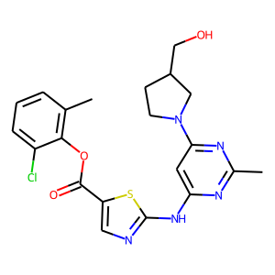 | Cc1nc(Nc2ncc(C(=O)Nc3c(C)cccc3Cl)s2)cc(N2CCN(CCO)CC2)n1 | [0.6066044508255564] | Cc1nc(Nc2ncc(C(=O)Oc3c(C)cccc3Cl)s2)cc(N2CCC(CO)C2)n1 | 6.3219163498 | 1 | 0.04 | 6 | 0.54619395733 | 2.8459334373 | 5.1711344719 | 0 | 4 | 459.11318824 | 0.33333333333 | -2.75 | 188.44086767 | 0 | 1 | 1 | 0 | 1 | 2 | 3 | 1 | 0 | 9 | 2 | 6 | 0.78237844612
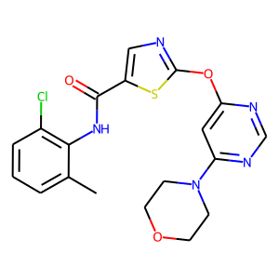 | Cc1nc(Nc2ncc(C(=O)Nc3c(C)cccc3Cl)s2)cc(N2CCN(CCO)CC2)n1 | [0.6065330363771344] | Cc1cccc(Cl)c1NC(=O)c1cnc(Oc2cc(N3CCOCC3)ncn2)s1 | 5.6018458718 | 2 | 0.016129032258 | 6 | 0.54619395733 | 2.8459334373 | 5.1711344719 | 0 | 4 | 431.08188812 | 0.26315789474 | -2.75 | 176.03029492 | 0 | 1 | 1 | 1 | 1 | 2 | 3 | 0 | 0 | 8 | 1 | 5 | 0.78229329004
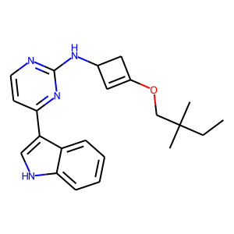 | FC(F)C(F)(F)Oc1cccc(Nc2nccc(-c3c[nH]c4ccccc34)n2)c1 | [0.6038781163434903] | C(C)C(C)(C)COC1=CC(N-c2nccc(-c3c[nH]c4ccccc34)n2)C1 | 18.840684556 | 1 | 0.076923076923 | 0 | 0.59194886684 | 3.050396204 | 3.4142303467 | 0 | 4 | 362.21066145 | 0.36363636364 | -2.82 | 159.43601261 | 1 | 0 | 1 | 0 | 1 | 2 | 3 | 1 | 0 | 4 | 2 | 7 | 0.79224645085
 | Cc1nc(Nc2ncc(C(=O)Nc3c(C)cccc3Cl)s2)cc(N2CCN(CCO)CC2)n1 | [0.6036709721278042] | Cc1nc(-c2ncc(C(=O)Nc3c(C)cccc3Cl)s2)cc(N2CC(COC)C2C)n1 | 21.441004401 | 1 | 0.04 | 6 | 0.72397702932 | 3.4881939888 | -0.32737600803 | 0 | 4 | 457.13392369 | 0.36363636364 | -2.55 | 190.01157603 | 0 | 1 | 1 | 1 | 1 | 2 | 3 | 2 | 0 | 7 | 1 | 6 | 0.75013852814
 | Cc1nc(Nc2ncc(C(=O)Nc3c(C)cccc3Cl)s2)cc(N2CCN(CCO)CC2)n1 | [0.6022727272727273] | Cc1nc(Nc2ncc(C(=O)Oc3c(C)cccc3Cl)s2)cc(N2CCOC(=O)C2)n1 | 7.336040918 | 3 | 0.017341040462 | 6 | 0.58819699287 | 3.1792531013 | 3.2639408112 | 0 | 4 | 459.07680274 | 0.25 | -3.24 | 186.55675913 | 0 | 1 | 1 | 0 | 1 | 2 | 3 | 0 | 0 | 10 | 1 | 5 | 0.79465677656
 | Cc1nc(Nc2ncc(C(=O)Nc3c(C)cccc3Cl)s2)cc(N2CCN(CCO)CC2)n1 | [0.6001456664238893] | Cc1nc(Nc2ncc(C(=O)Oc3c(C)cccc3Cl)s2)cc(N2CC(C#C)C2)n1 | 22.669811718 | 1 | 0.04 | 6 | 0.72372865677 | 3.6802072525 | -0.38056766987 | 0 | 4 | 439.0869735 | 0.2380952381 | -3.15 | 182.64585931 | 0 | 1 | 1 | 0 | 1 | 2 | 3 | 0 | 0 | 8 | 1 | 5 | 0.85536630037
 | Cc1nc(Nc2ncc(C(=O)Nc3c(C)cccc3Cl)s2)cc(N2CCN(CCO)CC2)n1 | [0.6] | Cc1nc(Nc2ncc(C(=O)Oc3c(C)cccc3Cl)s2)cc(N2CC(COC)C2)n1 | 21.455884633 | 2 | 0.08 | 6 | 0.72257846594 | 3.6084618568 | 0.34841549397 | 0 | 4 | 459.11318824 | 0.33333333333 | -2.75 | 188.76017915 | 0 | 1 | 1 | 0 | 1 | 2 | 3 | 0 | 0 | 9 | 1 | 7 | 0.80946428571
 | Cc1ccc(C(=O)Nc2cccc(C(F)(F)F)c2)cc1-c1ccc2nc(NCCN3CCOCC3)ncc2c1 | [0.5974789915966386] | Cc1ccc(C(=O)Nc2cccc(C(F)(F)F)c2C)cc1-c1ccc2oc(N)nc2c1 | 6.0706727097 | 2 | 0.035714285714 | 6 | 0.63266265392 | 4.3082327843 | 4.0653162003 | 0 | 4 | 425.13511148 | 0.13043478261 | -3.81 | 175.24888296 | 0 | 0 | 0 | 1 | 3 | 1 | 4 | 0 | 0 | 4 | 2 | 3 | 0.75649906629
 | Cc1ccc(CO)cc1N(C)c1ccnc(Nc2cc(N3CCOCC3)cc(N3CCOCC3)c2)n1 | [0.596116504854369] | NC(=O)c1ccccc1Nc1nc(Nc2ccc(N3CCOCC3)cc2)ncc1Cl | 5.1470077633 | 30 | 0.34090909091 | 7 | 0.5031876564 | 2.2375679016 | 3.4736933708 | 0 | 4 | 424.14145159 | 0.19047619048 | -3.36 | 178.5815492 | 0 | 1 | 1 | 1 | 2 | 1 | 3 | 0 | 0 | 7 | 3 | 6 | 0.76941666667
 | CC(C)Cn1c2ccc(Nc3ncccn3)cc2c2c3c(c4c(c21)CCc1nn(C)cc1-4)C(=O)NC3 | [0.5954814416352878] | ClCNc1nccc(-c2c(-c3ccc(F)cc3)nn3c2[C@H](CO)CC3)n1 | 17.251179572 | 1 | 0.14285714286 | 7 | 0.55071008205 | 2.7749528885 | 3.5164647102 | 0 | 4 | 373.11056606 | 0.27777777778 | -2.51 | 154.22389793 | 0 | 1 | 1 | 0 | 1 | 2 | 3 | 1 | 0 | 6 | 2 | 5 | 0.78303010456
 | Cc1nc(Nc2ncc(C(=O)Nc3c(C)cccc3Cl)s2)cc(N2CCN(CCO)CC2)n1 | [0.5950413223140496] | Cc1nc(-c2ccc(C(=O)Nc3c(C)cccc3Cl)s2)cc(N2CCNC(=O)C2)n1 | 7.7949574205 | 1 | 0.0057803468208 | 6 | 0.67313468456 | 3.7319786549 | -1.0791330338 | 0 | 4 | 441.10262356 | 0.2380952381 | -2.97 | 182.65988288 | 0 | 1 | 1 | 2 | 1 | 2 | 3 | 0 | 0 | 6 | 2 | 4 | 0.80292857143
 | Cc1cccc(Cl)c1NC(=O)c1cnc(NC(=O)C2CC2)s1 | [0.5939542483660131] | C1nnc(Nc2ncc(C(=O)Nc3c(C)cccc3Cl)s2)cc(N2CCNC(=O)C2)n1 | 20.579713797 | 4 | 0.023121387283 | 6 | 0.59446454048 | 3.0372755527 | 3.2984819412 | 0 | 4 | 458.10402053 | 0.26315789474 | -3.31 | 186.67449536 | 0 | 2 | 2 | 2 | 1 | 1 | 2 | 0 | 0 | 9 | 3 | 4 | 0.77799441786
 | Nc1ncnc2c1c(-c1ccc(Cl)cc1)nn2-c1cccc(-c2cnnn2CCCCCCCC(=O)NO)c1 | [0.59375] | C1cccc(C(=O)Nc2ccoc2)cc1Nc1ncnc2c1cnn2-c1ccccc1 | 17.698132997 | 1 | 0.022222222222 | 8 | 0.56028455496 | 2.9335277081 | 3.7526655197 | 0 | 5 | 410.14912382 | 0.04347826087 | -4.46 | 177.17425788 | 1 | 0 | 1 | 1 | 1 | 3 | 4 | 0 | 0 | 7 | 2 | 5 | 0.79897619048
 | Cc1nc(Nc2ncc(C(=O)Nc3c(C)cccc3Cl)s2)cc(N2CCN(CCO)CC2)n1 | [0.5927221833449965] | Cc1nc(Nc2ncc(C(=O)Oc3c(F)cccc3Cl)s2)cc(N2CCOC(=O)C2)n1 | 7.7032648374 | 2 | 0.010928961749 | 2 | 0.72257846594 | 3.6084618568 | 0.34841549397 | 0 | 4 | 463.05173086 | 0.21052631579 | -3.31 | 184.35735242 | 0 | 1 | 1 | 0 | 1 | 2 | 3 | 0 | 0 | 10 | 1 | 5 | 0.84590796703
 | Nc1ncnc2c1c(-c1ccc(Cl)cc1)nn2-c1cccc(-c2cnnn2Cc2ccc(/C=C/C(=O)NO)cc2)c1 | [0.591167192429022] | Cc1ccc(C(=O)Nc2ccoc2)cc1Nc1ncnc2c1cnn2-c1ccccc1 | 6.2090555038 | 1 | 0.022222222222 | 8 | 0.63266265392 | 4.3082327843 | 4.0653162003 | 0 | 5 | 410.14912382 | 0.04347826087 | -4.46 | 177.11633965 | 0 | 0 | 0 | 1 | 2 | 3 | 5 | 0 | 0 | 7 | 2 | 5 | 0.7711468254
 | CO[C@@H]1[C@H](N(C)C(=O)c2ccccc2)C[C@H]2O[C@]1(C)n1c3ccccc3c3c4c(c5c6ccccc6n2c5c31)C(=O)N[C@H]4O | [0.5894074462506554] | COc1cc2c(=O)cc(CNC(=O)c3nn(-c4ccccc4C(C)(C)F)o3)c2s1 | 14.876626172 | 1 | 0.016129032258 | 9 | 0.56354230642 | 3.0518620014 | 5.7508096695 | 0 | 4 | 415.10020528 | 0.25 | -3.2 | 169.27990569 | 1 | 0 | 1 | 1 | 1 | 2 | 3 | 0 | 0 | 7 | 1 | 6 | 0.80438095238
 | Nc1ncnc2c1c(-c1ccc(Cl)cc1)nn2-c1cccc(-c2cnnn2Cc2ccc(/C=C/C(=O)NO)cc2)c1 | [0.588456712672522] | Cc1ccc(C(=O)Nc2ccco2)cc1Nc1ncnc2c1cnn2-c1ccccc1 | 6.4714463844 | 1 | 0.022222222222 | 8 | 0.67899775505 | 3.3667879105 | 3.9857969284 | 0 | 5 | 410.14912382 | 0.04347826087 | -4.46 | 177.11633965 | 0 | 0 | 0 | 1 | 2 | 3 | 5 | 0 | 0 | 7 | 2 | 5 | 0.77161111111
 | CC(C)(C)n1cc(-c2ccc(Cl)cc2)c2c(N)ncnc21 | [0.587958607714017] | c1ccc(Nc2ncnc3[nH]cc(-c4ccccc4)c23)cc1 | 7.6287167232 | 1 | 0.0084033613445 | 0 | 0.67899775505 | 3.3667879105 | 3.9857969284 | 0 | 4 | 286.12184645 | 0 | -3.14 | 127.42557463 | 0 | 0 | 0 | 0 | 2 | 2 | 4 | 0 | 0 | 3 | 2 | 3 | 0.8172124183
 | Clc1cccc(Nc2ncnc3n[nH]c(Nc4cccc(Cl)c4)c23)c1 | [0.5864406779661017] | Clc1cccc(Nc2nccc3n[nH]c(Nc4cccc(Cl)c4)c23)c1 | 6.3361692078 | 4 | 0.016194331984 | 0 | 0.66900265217 | 4.6543469429 | 4.8202729225 | 0 | 4 | 369.05480078 | 0 | -2.76 | 153.55042284 | 0 | 0 | 0 | 0 | 2 | 2 | 4 | 0 | 0 | 4 | 3 | 4 | 0.77514355742
 | FC(F)C(F)(F)Oc1cccc(Nc2nccc(-c3c[nH]c4ccccc34)n2)c1 | [0.5853448275862069] | FC(C)C(C)(C)OC1cccc(Nc2nccc(-c3c[nH]c4ccccc34)n2)C1 | 15.641504238 | 1 | 0.076923076923 | 0 | 0.56028455496 | 2.9335277081 | 3.7526655197 | 0 | 4 | 392.20123964 | 0.30434782609 | -2.99 | 169.2768871 | 1 | 0 | 1 | 0 | 1 | 2 | 3 | 2 | 0 | 4 | 2 | 6 | 0.75541970121
 | FC(F)C(F)(F)Oc1cccc(Nc2nccc(-c3c[nH]c4ccccc34)n2)c1 | [0.584426946631671] | CC(C)C(C)(C)OC1cccc(Nc2nccc(-c3c[nH]c4ccccc34)n2)C1 | 15.706915957 | 3 | 0.23076923077 | 0 | 0.58819699287 | 3.1792531013 | 3.2639408112 | 0 | 4 | 388.22631152 | 0.33333333333 | -2.92 | 171.47629381 | 1 | 0 | 1 | 0 | 1 | 2 | 3 | 1 | 0 | 4 | 2 | 6 | 0.75859791189
 | CO[C@@H]1[C@H](N(C)C(=O)c2ccccc2)C[C@H]2O[C@]1(C)n1c3ccccc3c3c4c(c5c6ccccc6n2c5c31)C(=O)N[C@H]4O | [0.5839532412327312] | C#Cn1ccc2oc(C(=O)OC(C=O)Nc3scc(Br)c3-c3ncn[nH]3)cc12 | 7.2204642926 | 1 | 0.026315789474 | 7 | 0.58819699287 | 3.1792531013 | 3.2639408112 | 0 | 4 | 458.9636869 | 0.058823529412 | -3.36 | 169.37592564 | 0 | 0 | 0 | 0 | 0 | 4 | 4 | 1 | 0 | 9 | 2 | 6 | 0.7578543956
 | Cc1ccc(CO)cc1N(C)c1ccnc(Nc2cc(N3CCOCC3)cc(N3CCOCC3)c2)n1 | [0.5836363636363636] | CC(=O)c1ccccc1Nc1nc(Nc2ccc(N3CCOCC3)c(F)c2)ncc1Cl | 6.6643330796 | 9 | 0.090909090909 | 7 | 0.78389030695 | 4.144487381 | 2.713098526 | 0 | 4 | 441.13678081 | 0.22727272727 | -3.23 | 183.77213602 | 0 | 1 | 1 | 0 | 2 | 1 | 3 | 0 | 0 | 7 | 2 | 6 | 0.83009157509
 | Cc1ccc(CO)cc1N(C)c1ccnc(Nc2cc(N3CCOCC3)cc(N3CCOCC3)c2)n1 | [0.5831826401446655] | NC(=O)c1ccccc1Nc1nc(Nc2ccc(N3CCOCC3)c(F)c2)ncc1Cl | 5.2434216271 | 30 | 0.30303030303 | 7 | 0.5031876564 | 2.2375679016 | 3.4736933708 | 0 | 4 | 442.13202978 | 0.19047619048 | -3.43 | 182.74708461 | 0 | 1 | 1 | 1 | 2 | 1 | 3 | 0 | 0 | 7 | 3 | 6 | 0.80295238095
 | COc1cc(Nc2c(C#N)cnc3cc(OC)c(OC)cc23)c(Cl)cc1C | [0.5822784810126582] | COc1cc2ncc(S(=O)O)c(Nc3cccc(Cl)c3Cl)c2cc1C1C(C)C1 | 8.5373989716 | 1 | 0.027777777778 | 2 | 0.61562722921 | 3.4471151829 | 3.3371925354 | 0 | 4 | 436.0415188 | 0.25 | -1.86 | 174.85612096 | 1 | 0 | 1 | 0 | 2 | 1 | 3 | 3 | 0 | 4 | 2 | 5 | 0.75041428571
 | CC(C)Cn1c2ccc(Nc3ncccn3)cc2c2c3c(c4c(c21)CCc1nn(C)cc1-4)C(=O)NC3 | [0.5815217391304348] | ClCc1ccc(C(=O)OC)cc1-c1C(=O)ccn2nc(-c3ccc(F)cc3F)cc2C1 | 21.007918554 | 1 | 0.5 | 8 | 0.55071008205 | 2.7749528885 | 3.5164647102 | 0 | 4 | 442.08957652 | 0.17391304348 | -3.32 | 181.44785418 | 0 | 1 | 1 | 0 | 2 | 1 | 3 | 1 | 0 | 5 | 0 | 4 | 0.75983333333
 | FC(F)C(F)(F)Oc1cccc(Nc2nccc(-c3c[nH]c4ccccc34)n2)c1 | [0.581151832460733] | CC(C)C(F)(C)OC1=CCN(Nc2nccc(-c3c[nH]c4ccccc34)n2)C1 | 7.6175491351 | 1 | 0.076923076923 | 0 | 0.55071008205 | 2.7749528885 | 3.5164647102 | 0 | 4 | 381.19648861 | 0.33333333333 | -2.93 | 162.96657559 | 0 | 1 | 1 | 0 | 1 | 2 | 3 | 1 | 0 | 5 | 2 | 6 | 0.81273809524
 | Nc1ccc(-c2[nH]nc3ncnc(Nc4cccc(Cl)c4)c23)cc1 | [0.5802792321116929] | Clc1cccc(Nc2ncnc3c[nH]c(-c4cccc(Cl)c4)c23)c1 | 7.1748715796 | 1 | 0.004048582996 | 0 | 0.63155186176 | 3.7669064999 | 3.6493296623 | 0 | 4 | 354.04390174 | 0 | -2.56 | 148.03210708 | 0 | 0 | 0 | 0 | 2 | 2 | 4 | 0 | 0 | 3 | 2 | 3 | 0.77296732026
 | FC(F)C(F)(F)Oc1cccc(Nc2nccc(-c3c[nH]c4ccccc34)n2)c1 | [0.5793163891323401] | COC(=O)CN1CC(CNc2ncc(Cl)c(-c3c[nH]c4ccccc34)n2)CC1 | 10.141427753 | 1 | 0.090909090909 | 7 | 0.63266265392 | 4.3082327843 | 4.0653162003 | 0 | 4 | 399.14620262 | 0.35 | -2.64 | 167.62035341 | 0 | 1 | 1 | 0 | 1 | 2 | 3 | 1 | 0 | 6 | 2 | 6 | 0.76581349206
 | Cc1ccc(CO)cc1N(C)c1ccnc(Nc2cc(N3CCOCC3)cc(N3CCOCC3)c2)n1 | [0.5790909090909091] | NC(=O)c1ccccc1Nc1nc(Nc2ccc(N3CCOCC3)cc2F)ncc1Cl | 5.1353316473 | 2 | 0.10526315789 | 7 | 0.5031876564 | 2.2375679016 | 3.4736933708 | 0 | 4 | 442.13202978 | 0.19047619048 | -3.43 | 182.74708461 | 0 | 1 | 1 | 1 | 2 | 1 | 3 | 0 | 0 | 7 | 3 | 6 | 0.80295238095
 | O=C(Cc1ccccc1)Nc1cccc(-c2nc3sccn3c2-c2ccnc(Nc3cccc(N4CCOCC4)c3)n2)c1 | [0.5787567893783947] | ClCNc1nccc(-c2c(-c3ccc(F)cc3)nc3n2[C@H](CO)CC3)n1 | 17.111795592 | 1 | 0.14285714286 | 7 | 0.5031876564 | 2.2375679016 | 3.4736933708 | 0 | 4 | 373.11056606 | 0.27777777778 | -2.51 | 154.25544437 | 0 | 1 | 1 | 0 | 1 | 2 | 3 | 1 | 0 | 6 | 2 | 5 | 0.839125
 | FC(F)C(F)(F)Oc1cccc(Nc2nccc(-c3c[nH]c4ccccc34)n2)c1 | [0.5781786941580757] | CC(F)C(F)(C)OC1=CCN(Nc2nccc(-c3c[nH]c4ccccc34)n2)C1 | 6.8967866023 | 1 | 0.076923076923 | 0 | 0.5031876564 | 2.2375679016 | 3.4736933708 | 0 | 4 | 385.17141673 | 0.3 | -3 | 160.76716888 | 0 | 1 | 1 | 0 | 1 | 2 | 3 | 2 | 0 | 5 | 2 | 6 | 0.8325
 | C[C@@H]1C=CC(c2nn(C3=CCCC(C(=O)NCc4ccc(P(=O)(O)O)c(P(=O)(O)O)c4)=C3)c3ncnc(N)c23)=CC1 | [0.5779325120514194] | COc1cc2c(=O)cc(CNC(=O)c3nn(-c4ccccc4C(C)(C)C)o3)c2o1 | 14.310295068 | 1 | 0.016129032258 | 9 | 0.55028778315 | 2.9083051682 | 5.3507852554 | 0 | 4 | 395.14812077 | 0.28571428571 | -3.55 | 166.63327839 | 1 | 0 | 1 | 1 | 1 | 2 | 3 | 0 | 0 | 7 | 1 | 5 | 0.78973809524
 | CO[C@@H]1[C@H](N(C)C(=O)c2ccccc2)C[C@H]2O[C@]1(C)n1c3ccccc3c3c4c(c5c6ccccc6n2c5c31)C(=O)N[C@H]4O | [0.5772138228941684] | OCC(Cn1c(=O)ccc2cc(C(F)(F)F)ccc21)Nc1scc(SC)c1-c1cnn[nH]1 | 17.650477736 | 1 | 1 | 7 | 0.5031876564 | 2.2375679016 | 3.4736933708 | 0 | 4 | 481.08540148 | 0.25 | -2.83 | 187.83264716 | 0 | 0 | 0 | 0 | 1 | 3 | 4 | 1 | 0 | 8 | 3 | 7 | 0.75519047619
 | CO[C@@H]1[C@H](N(C)C(=O)c2ccccc2)C[C@H]2O[C@]1(C)n1c3ccccc3c3c4c(c5c6ccccc6n2c5c31)C(=O)N[C@H]4O | [0.5758693361433087] | COc1cc2c(=O)cc(CNC(=O)c3nn(-c4ccccc4C(C)(C)C)o3)c2s1 | 14.815737727 | 2 | 0.032258064516 | 9 | 0.55551195145 | 2.9314143658 | 5.5958890915 | 0 | 4 | 411.12527715 | 0.28571428571 | -3.13 | 171.4793124 | 1 | 0 | 1 | 1 | 1 | 2 | 3 | 0 | 0 | 7 | 1 | 5 | 0.79598809524
 | Cc1ccc(CO)cc1N(C)c1ccnc(Nc2cc(N3CCOCC3)cc(N3CCOCC3)c2)n1 | [0.5758683729433273] | CC(=O)c1ccccc1Nc1nc(Nc2ccc(N3CCOCC3)c(I)c2)ncc1Cl | 7.6862763339 | 1 | 0.010101010101 | 7 | 0.74093610048 | 2.7658090591 | 1.0297927856 | 0 | 4 | 549.04285059 | 0.22727272727 | -2.43 | 198.86843874 | 0 | 1 | 1 | 0 | 2 | 1 | 3 | 0 | 0 | 7 | 2 | 6 | 0.81175824176
 | FC(F)C(F)(F)Oc1cccc(Nc2nccc(-c3c[nH]c4ccccc34)n2)c1 | [0.575134168157424] | CC(C)C(C)(C)OC1=CC(=Nc2nccc(-c3c[nH]c4ccccc34)n2)C1 | 8.7930304576 | 1 | 0.076923076923 | 0 | 0.67899775505 | 3.3667879105 | 3.9857969284 | 0 | 4 | 360.19501139 | 0.31818181818 | -2.95 | 158.78147291 | 1 | 0 | 1 | 0 | 1 | 2 | 3 | 0 | 0 | 4 | 1 | 5 | 0.79930357143
 | Cc1nc(Nc2ncc(C(=O)Nc3c(C)cccc3Cl)s2)cc(N2CCN(CCO)CC2)n1 | [0.5742647058823529] | Cc1cccc(Cl)c1OC(=O)c1cnc(Nc2cc(N3CCOCC3)ncn2)s1 | 5.2879274918 | 1 | 0.008064516129 | 6 | 0.55071008205 | 2.7749528885 | 3.5164647102 | 0 | 4 | 431.08188812 | 0.26315789474 | -2.75 | 176.03029492 | 0 | 1 | 1 | 0 | 1 | 2 | 3 | 0 | 0 | 9 | 1 | 5 | 0.79158333333
 | O=C1Nc2cccc(C3CCNCC3)c2/C1=C/c1[nH]cc2c1CCOC2=O | [0.5730471079308289] | O[C@H]1C[C@@H](O)c2ccc(F)cc2C(=C(c2ccccn2)c2ccccc2)C1=O | 21.410304842 | 1 | 0.2 | 7 | 0.55028778315 | 2.9083051682 | 5.3507852554 | 0 | 4 | 375.12707166 | 0.13043478261 | -3.15 | 161.17498302 | 1 | 0 | 1 | 0 | 2 | 1 | 3 | 2 | 0 | 4 | 2 | 2 | 0.78567857143
 | CO[C@@H]1[C@H](N(C)C(=O)c2ccccc2)C[C@H]2O[C@]1(C)n1c3ccccc3c3c4c(c5c6ccccc6n2c5c31)C(=O)N[C@H]4O | [0.5713525026624068] | C#Cn1ccc2oc(C(=O)OCC(=O)Nc3scc(Br)c3-c3ncn[nH]3)cc12 | 7.0517229646 | 2 | 0.052631578947 | 7 | 0.63266265392 | 4.3082327843 | 4.0653162003 | 0 | 4 | 458.9636869 | 0.058823529412 | -3.36 | 169.37592564 | 0 | 0 | 0 | 1 | 0 | 4 | 4 | 0 | 0 | 8 | 2 | 5 | 0.76791176471
 | CO[C@@H]1[C@H](N(C)C(=O)c2ccccc2)C[C@H]2O[C@]1(C)n1c3ccccc3c3c4c(c5c6ccccc6n2c5c31)C(=O)N[C@H]4O | [0.5709711846318036] | N#Cn1ccc2oc(C(=O)OCC(=O)Nc3scc(Br)c3-c3ncn[nH]3)cc12 | 7.1459560852 | 4 | 0.10526315789 | 7 | 0.67899775505 | 3.3667879105 | 3.9857969284 | 0 | 4 | 459.95893587 | 0.0625 | -3.43 | 168.40433781 | 0 | 0 | 0 | 1 | 0 | 4 | 4 | 0 | 0 | 9 | 2 | 5 | 0.77662605042
 | FC(F)C(F)(F)Oc1cccc(Nc2nccc(-c3c[nH]c4ccccc34)n2)c1 | [0.5706896551724138] | COC(=O)CN1CC(ONc2ncc(Cl)c(-c3c[nH]c4ccccc34)n2)CC1 | 10.144054109 | 1 | 0.090909090909 | 7 | 0.66900265217 | 4.6543469429 | 4.8202729225 | 0 | 4 | 401.12546718 | 0.31578947368 | -2.68 | 166.32299503 | 0 | 1 | 1 | 0 | 1 | 2 | 3 | 1 | 0 | 7 | 2 | 6 | 0.75162371615
 | CNc1ncc2cc(-c3cc(C(=O)Nc4cc(C(F)(F)F)ccc4OC4CCN(C)CC4)ccc3C)ccc2n1 | [0.5703764320785597] | Cc1ccc(C(=O)Oc2cccc(C(F)(F)F)c2C)cc1-c1ccc2nc(N)ncc2c1 | 5.7483817227 | 1 | 0.017857142857 | 6 | 0.55071008205 | 2.7749528885 | 3.5164647102 | 0 | 4 | 437.13511148 | 0.125 | -3.94 | 181.23788472 | 0 | 0 | 0 | 0 | 3 | 1 | 4 | 0 | 0 | 5 | 1 | 3 | 0.76788095238
 | Cc1ccc(C(=O)Nc2cccc(C(F)(F)F)c2)cc1-c1ccc2nc(NCCN3CCOCC3)ncc2c1 | [0.5681444991789819] | Cc1ccc(C(=O)Nc2cccc(C(C)(C)F)c2C)cc1-c1ccc2oc(N)ccccc(F)c2c1 | 9.5499345949 | 1 | 0.01724137931 | 6 | 0.58997839689 | 4.1789283752 | 5.602353096 | 0 | 4 | 486.21188458 | 0.16666666667 | -4.19 | 208.63553404 | 0 | 0 | 0 | 1 | 3 | 1 | 4 | 0 | 0 | 3 | 2 | 4 | 0.76451587302
 | Cc1ccc(C(=O)Nc2cccc(C(F)(F)F)c2)cc1-c1ccc2nc(NCCN3CCOCC3)ncc2c1 | [0.567922874671341] | Cc1ccc(C(=O)Nc2cccc(C(F)(F)F)c2C)cc1-c1ccc2oc(=O)oc2c1 | 6.6585379735 | 2 | 0.035714285714 | 6 | 0.63155186176 | 3.7669064999 | 3.6493296623 | 0 | 4 | 427.10314265 | 0.13043478261 | -3.81 | 173.6556832 | 0 | 0 | 0 | 1 | 3 | 1 | 4 | 0 | 0 | 4 | 1 | 3 | 0.77099906629
 | CO[C@H]1C=C(c2nn(C3=CCCC([P@](=O)(O)CC(=O)O)=C3)c3ncnc(N)c23)C=CC1 | [0.5667928610059492] | CNC(C)C(C)(F)OC(=O)Oc1cc2cc(-c3c(Cl)c(Cl)c3)nc(c2cc1O[C@H]1C)C1=O | 13.226170997 | 1 | 1 | 3 | 0.5031876564 | 2.2375679016 | 3.4736933708 | 0 | 4 | 480.06550529 | 0.31818181818 | -2.68 | 192.67170468 | 1 | 1 | 2 | 0 | 1 | 1 | 2 | 3 | 2 | 7 | 1 | 5 | 0.76982142857
 | Cc1cccc(Cl)c1NC(=O)c1cnc(NC(=O)C2CC2)s1 | [0.5650118203309693] | Cc1nn(Nc2ncc(C(=O)Nc3c(C)cccc3Cl)s2)cc(N2CC(CO)CC2)nn1 | 16.407201186 | 1 | 0.04 | 6 | 0.56028455496 | 2.9335277081 | 3.7526655197 | 0 | 4 | 474.13532066 | 0.35 | -3.02 | 193.82239265 | 0 | 2 | 2 | 1 | 1 | 1 | 2 | 1 | 0 | 10 | 3 | 6 | 0.75652690589
 | CNc1ncc2cc(-c3cc(C(=O)Nc4cc(C(F)(F)F)ccc4OC4CCN(C)CC4)ccc3C)ccc2n1 | [0.5649072753209701] | Cc1ccc(C(=O)Nc2cccc(C(F)(F)O)c2C)cc1-c1ccc2oc(=O)cccc(O)c2c1 | 13.510222948 | 1 | 0.01724137931 | 6 | 0.56792056561 | 2.5777645111 | 2.0630702972 | 0 | 4 | 477.13877921 | 0.11111111111 | -4.3 | 199.35102327 | 0 | 1 | 1 | 1 | 3 | 0 | 3 | 0 | 0 | 5 | 3 | 4 | 0.7504021164
 | CO[C@@H]1[C@H](N(C)C(=O)c2ccccc2)C[C@H]2O[C@]1(C)n1c3ccccc3c3c4c(c5c6ccccc6n2c5c31)C(=O)N[C@H]4O | [0.5639503507825149] | OCC(CN1c(=O)ccc2cc(C(F)(F)F)ccc21)Nc1csc(SC)c1-c1cnn[nH]1 | 16.927348293 | 1 | 0.5 | 7 | 0.5031876564 | 2.2375679016 | 3.4736933708 | 0 | 4 | 481.08540148 | 0.25 | -2.83 | 187.83264716 | 0 | 0 | 0 | 0 | 1 | 3 | 4 | 1 | 0 | 8 | 3 | 7 | 0.75519047619
 | CN1CCN(c2ccc(Nc3ncc4c(n3)N3CCC(=O)N3C(c3cc(O)ccc3Cl)=C4)cc2)CC1 | [0.5633351149118119] | Cc1ccc2sc(C(=O)Nc1ccc(NC(=O)Nc3cc(S(C)(C)C)on3)cc1)c2C1 | 16.786483326 | 1 | 0.071428571429 | 4 | 0.5031876564 | 2.2375679016 | 3.4736933708 | 0 | 5 | 456.12898263 | 0.22727272727 | -3.04 | 184.44698862 | 0 | 3 | 3 | 2 | 0 | 2 | 2 | 0 | 4 | 5 | 3 | 3 | 0.76429228331
 | CO[C@@H]1[C@H](N(C)C(=O)c2ccccc2)C[C@H]2O[C@]1(C)n1c3ccccc3c3c4c(c5c6ccccc6n2c5c31)C(=O)N[C@H]4O | [0.5617551462621885] | ClNC(=O)N1CCC(=c2ncsc(-c3c(-c4ccccc4)[nH]c4ccccc34)n2)C1 | 13.436397992 | 1 | 0.045454545455 | 7 | 0.61562722921 | 3.4471151829 | 3.3371925354 | 0 | 5 | 435.09205888 | 0.13636363636 | -3.03 | 182.39750386 | 0 | 2 | 2 | 2 | 2 | 1 | 3 | 0 | 0 | 4 | 2 | 2 | 0.81828059396
 | CO[C@@H]1[C@H](N(C)C(=O)c2ccccc2)C[C@H]2O[C@]1(C)n1c3ccccc3c3c4c(c5c6ccccc6n2c5c31)C(=O)N[C@H]4O | [0.5579514824797843] | OCC(Cn1c(=O)ccc2cc(C(F)(F)F)ccc21)Nc1csc(SC)c1-n1cn[nH]1 | 17.623129713 | 1 | 0.5 | 7 | 0.55071008205 | 2.7749528885 | 3.5164647102 | 0 | 4 | 469.08540148 | 0.26315789474 | -2.7 | 182.03213109 | 0 | 0 | 0 | 0 | 1 | 3 | 4 | 1 | 0 | 8 | 3 | 7 | 0.78485714286

